Figure 1 (P)
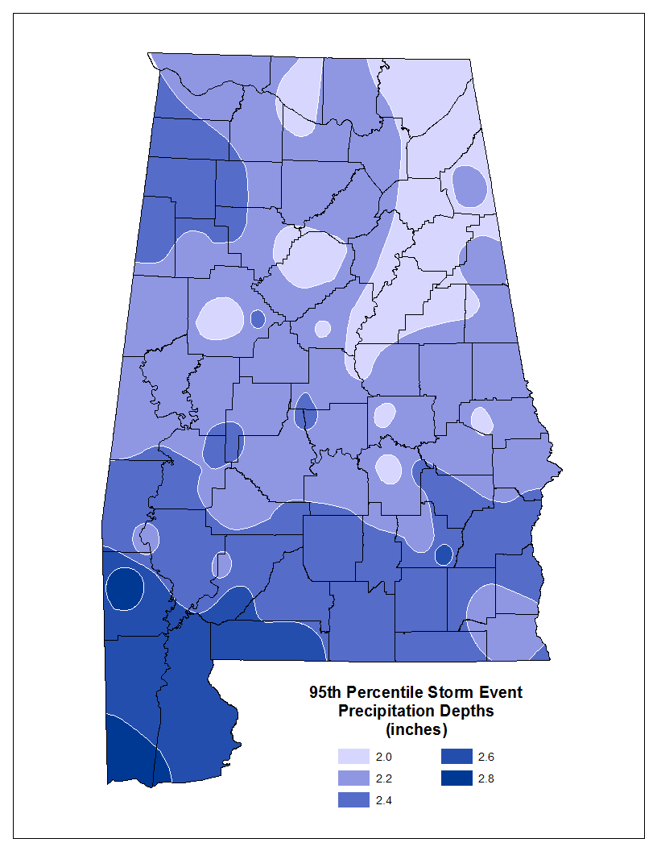

Figure A.1 (Ground Cover)
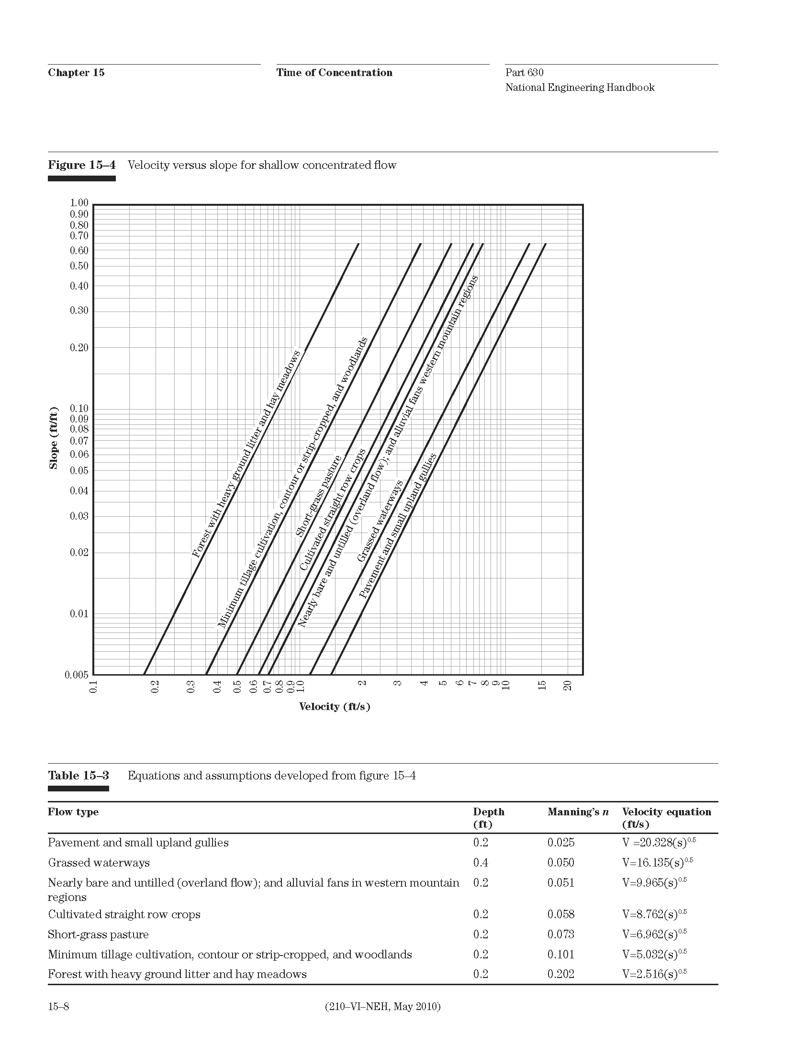

Groundcover Constants

Figure A.2,A.3 (qu)
